Sheet1
Univariate Analysis of Variance

Between-Subjects Factors
 |  | Value Label | N
グループ属性① | 1 | Single | 326
 | 2 | Couple | 822
 | 3 | Family | 673
 | 4 | Friends‎/Collegue | 700
 | 5 | Group | 159
性別 | 0 | 0 | 1
 | 1 | Male | 1026
 | 2 | Female | 1653
年齢 | 1 | 10代 | 25
 | 2 | 20代 | 269
 | 3 | 30代 | 378
 | 4 | 40代 | 476
 | 5 | 50代 | 851
 | 6 | 60代 | 514
 | 7 | 70歳以上 | 167
職業 | 1 | Company Executive | 129
 | 2 | Employee | 865
 | 3 | Government Employee | 266
 | 4 | Self employed | 194
 | 5 | Part-time | 233
 | 6 | Housewife | 532
 | 7 | Student | 83
 | 8 | Non-worker | 278
 | 9 | Other | 100
日常の自動車利用 | 1 | No license | 464
 | 2 | Hardly drive | 355
 | 3 | Several times per year | 91
 | 4 | Several times per month | 289
 | 5 | 2,3 times per week | 398
 | 6 | Every day | 1083
府県コード | 0 |  | 22
 | 1 |  | 48
 | 2 |  | 3
 | 3 |  | 8
 | 4 |  | 17
 | 5 |  | 9
 | 6 |  | 8
 | 7 |  | 15
 | 8 |  | 29
 | 9 |  | 34
 | 10 |  | 6
 | 11 |  | 131
 | 12 |  | 133
 | 13 |  | 289
 | 14 |  | 209
 | 15 |  | 17
 | 16 |  | 30
 | 17 |  | 32
 | 18 |  | 30
 | 19 |  | 14
 | 20 |  | 25
 | 21 |  | 44
 | 22 |  | 96
 | 23 |  | 194
 | 24 |  | 49
 | 25 |  | 87
 | 26 |  | 97
 | 27 |  | 401
 | 28 |  | 203
 | 29 |  | 41
 | 30 |  | 20
 | 31 |  | 14
 | 32 |  | 13
 | 33 |  | 40
 | 34 |  | 63
 | 35 |  | 23
 | 36 |  | 12
 | 37 |  | 18
 | 38 |  | 23
 | 39 |  | 12
 | 40 |  | 60
 | 41 |  | 8
 | 42 |  | 12
 | 43 |  | 16
 | 44 |  | 5
 | 45 |  | 6
 | 46 |  | 7
 | 47 |  | 7
京都市フラグ | 1 | Kyoto | 18
 | 2 | Not Kyoto | 2662
子供フラグ | 0 |  | 2530
 | 1 |  | 150
高齢者フラグ | 0 |  | 2097
 | 1 |  | 583
Car_use | 0 | no | 2195
 | 1 | yes | 485
Visit_frequency | 1 | first time | 454
 | 2 | 2/3times in 5 years | 759
 | 3 | 1 time per year | 403
 | 4 | 2/3 times per year | 616
 | 5 | more than 4 times per year | 448
Schedule | 1 | day trip | 1142
 | 2 | two days | 834
 | 3 | 3 days | 522
 | 4 | 4 days and more | 182

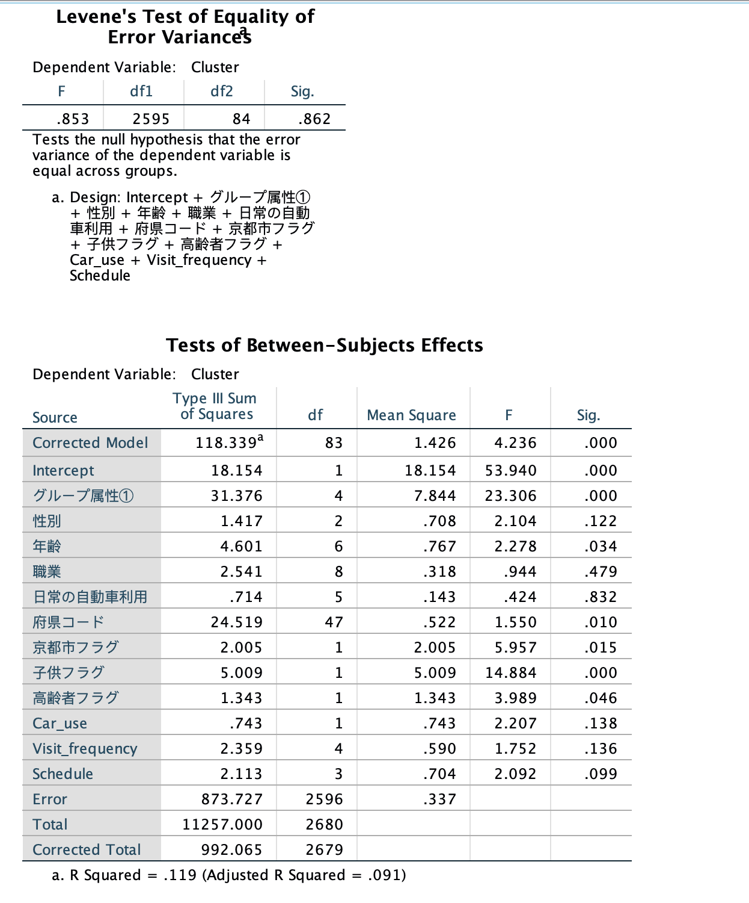

Crosstabs

Case Processing Summary
 | Cases
 | Valid |  | Missing |  | Total
 | N | Percent | N | Percent | N | Percent
Cluster * グループ属性① | 3381 | 97.8% | 75 | 2.2% | 3456 | 100.0%

Cluster * グループ属性① Crosstabulation
 |  |  | グループ属性① |  |  |  |  | Total
 |  |  | Single | Couple | Family | Friends‎/Collegue | Group
Cluster | 1-6-8 | Count | 30 | 217 | 147 | 237 | 31 | 662
 |  | % within Cluster | 4.5% | 32.8% | 22.2% | 35.8% | 4.7% | 100.0%
 | 1-6 | Count | 263 | 666 | 524 | 522 | 150 | 2125
 |  | % within Cluster | 12.4% | 31.3% | 24.7% | 24.6% | 7.1% | 100.0%
 | 5 | Count | 132 | 121 | 169 | 125 | 47 | 594
 |  | % within Cluster | 22.2% | 20.4% | 28.5% | 21.0% | 7.9% | 100.0%
Total |  | Count | 425 | 1004 | 840 | 884 | 228 | 3381
 |  | % within Cluster | 12.6% | 29.7% | 24.8% | 26.1% | 6.7% | 100.0%

GGraph

Crosstabs

Case Processing Summary
 | Cases
 | Valid |  | Missing |  | Total
 | N | Percent | N | Percent | N | Percent
Cluster * 性別 | 3008 | 87.0% | 448 | 13.0% | 3456 | 100.0%

Cluster * 性別 Crosstabulation
 |  |  | 性別 |  |  | Total
 |  |  | 0 | Male | Female
Cluster | 1-6-8 | Count | 1 | 186 | 423 | 610
 |  | % within Cluster | 0.2% | 30.5% | 69.3% | 100.0%
 | 1-6 | Count | 1 | 753 | 1101 | 1855
 |  | % within Cluster | 0.1% | 40.6% | 59.4% | 100.0%
 | 5 | Count | 0 | 209 | 334 | 543
 |  | % within Cluster | 0.0% | 38.5% | 61.5% | 100.0%
Total |  | Count | 2 | 1148 | 1858 | 3008
 |  | % within Cluster | 0.1% | 38.2% | 61.8% | 100.0%

GGraph

Crosstabs

Case Processing Summary
 | Cases
 | Valid |  | Missing |  | Total
 | N | Percent | N | Percent | N | Percent
Cluster * 年齢 | 3260 | 94.3% | 196 | 5.7% | 3456 | 100.0%

Cluster * 年齢 Crosstabulation
 |  |  | 年齢 |  |  |  |  |  |  | Total
 |  |  | 10代 | 20代 | 30代 | 40代 | 50代 | 60代 | 70歳以上
Cluster | 1-6-8 | Count | 2 | 74 | 109 | 111 | 223 | 87 | 35 | 641
 |  | % within Cluster | 0.3% | 11.5% | 17.0% | 17.3% | 34.8% | 13.6% | 5.5% | 100.0%
 | 1-6 | Count | 20 | 178 | 252 | 333 | 631 | 458 | 153 | 2025
 |  | % within Cluster | 1.0% | 8.8% | 12.4% | 16.4% | 31.2% | 22.6% | 7.6% | 100.0%
 | 5 | Count | 6 | 39 | 84 | 113 | 162 | 138 | 52 | 594
 |  | % within Cluster | 1.0% | 6.6% | 14.1% | 19.0% | 27.3% | 23.2% | 8.8% | 100.0%
Total |  | Count | 28 | 291 | 445 | 557 | 1016 | 683 | 240 | 3260
 |  | % within Cluster | 0.9% | 8.9% | 13.7% | 17.1% | 31.2% | 21.0% | 7.4% | 100.0%

GGraph

Crosstabs

Case Processing Summary
 | Cases
 | Valid |  | Missing |  | Total
 | N | Percent | N | Percent | N | Percent
Cluster * 職業 | 3266 | 94.5% | 190 | 5.5% | 3456 | 100.0%

Cluster * 職業 Crosstabulation
 |  |  | 職業 |  |  |  |  |  |  |  |  | Total
 |  |  | Company Executive | Employee | Government Employee | Self employed | Part-time | Housewife | Student | Non-worker | Other
Cluster | 1-6-8 | Count | 29 | 235 | 58 | 49 | 52 | 130 | 17 | 51 | 25 | 646
 |  | % within Cluster | 4.5% | 36.4% | 9.0% | 7.6% | 8.0% | 20.1% | 2.6% | 7.9% | 3.9% | 100.0%
 | 1-6 | Count | 94 | 593 | 198 | 156 | 173 | 399 | 62 | 277 | 71 | 2023
 |  | % within Cluster | 4.6% | 29.3% | 9.8% | 7.7% | 8.6% | 19.7% | 3.1% | 13.7% | 3.5% | 100.0%
 | 5 | Count | 31 | 170 | 47 | 40 | 55 | 130 | 16 | 72 | 36 | 597
 |  | % within Cluster | 5.2% | 28.5% | 7.9% | 6.7% | 9.2% | 21.8% | 2.7% | 12.1% | 6.0% | 100.0%
Total |  | Count | 154 | 998 | 303 | 245 | 280 | 659 | 95 | 400 | 132 | 3266
 |  | % within Cluster | 4.7% | 30.6% | 9.3% | 7.5% | 8.6% | 20.2% | 2.9% | 12.2% | 4.0% | 100.0%

GGraph

Crosstabs

Case Processing Summary
 | Cases
 | Valid |  | Missing |  | Total
 | N | Percent | N | Percent | N | Percent
Cluster * 日常の自動車利用 | 3233 | 93.5% | 223 | 6.5% | 3456 | 100.0%

Cluster * 日常の自動車利用 Crosstabulation
 |  |  | 日常の自動車利用 |  |  |  |  |  | Total
 |  |  | No license | Hardly drive | Several times per year | Several times per month | 2,3 times per week | Every day
Cluster | 1-6-8 | Count | 104 | 91 | 25 | 76 | 87 | 257 | 640
 |  | % within Cluster | 16.3% | 14.2% | 3.9% | 11.9% | 13.6% | 40.2% | 100.0%
 | 1-6 | Count | 358 | 265 | 64 | 205 | 317 | 806 | 2015
 |  | % within Cluster | 17.8% | 13.2% | 3.2% | 10.2% | 15.7% | 40.0% | 100.0%
 | 5 | Count | 130 | 89 | 22 | 69 | 64 | 204 | 578
 |  | % within Cluster | 22.5% | 15.4% | 3.8% | 11.9% | 11.1% | 35.3% | 100.0%
Total |  | Count | 592 | 445 | 111 | 350 | 468 | 1267 | 3233
 |  | % within Cluster | 18.3% | 13.8% | 3.4% | 10.8% | 14.5% | 39.2% | 100.0%

GGraph

Crosstabs

Case Processing Summary
 | Cases
 | Valid |  | Missing |  | Total
 | N | Percent | N | Percent | N | Percent
Cluster * 府県コード | 3456 | 100.0% | 0 | 0.0% | 3456 | 100.0%

Cluster * 府県コード Crosstabulation
 |  |  | 府県コード |  |  |  |  |  |  |  |  |  |  |  |  |  |  |  |  |  |  |  |  |  |  |  |  |  |  |  |  |  |  |  |  |  |  |  |  |  |  |  |  |  |  |  |  |  |  |  | Total
 |  |  | 0 | 1 | 2 | 3 | 4 | 5 | 6 | 7 | 8 | 9 | 10 | 11 | 12 | 13 | 14 | 15 | 16 | 17 | 18 | 19 | 20 | 21 | 22 | 23 | 24 | 25 | 26 | 27 | 28 | 29 | 30 | 31 | 32 | 33 | 34 | 35 | 36 | 37 | 38 | 39 | 40 | 41 | 42 | 43 | 44 | 45 | 46 | 47
Cluster | 1-6-8 | Count | 26 | 10 | 0 | 2 | 3 | 4 | 3 | 2 | 9 | 12 | 1 | 32 | 35 | 93 | 65 | 3 | 5 | 6 | 3 | 5 | 6 | 16 | 19 | 47 | 10 | 12 | 35 | 80 | 39 | 7 | 4 | 1 | 3 | 9 | 14 | 3 | 6 | 6 | 4 | 1 | 13 | 2 | 2 | 4 | 1 | 0 | 3 | 2 | 668
 |  | % within Cluster | 3.9% | 1.5% | 0.0% | 0.3% | 0.4% | 0.6% | 0.4% | 0.3% | 1.3% | 1.8% | 0.1% | 4.8% | 5.2% | 13.9% | 9.7% | 0.4% | 0.7% | 0.9% | 0.4% | 0.7% | 0.9% | 2.4% | 2.8% | 7.0% | 1.5% | 1.8% | 5.2% | 12.0% | 5.8% | 1.0% | 0.6% | 0.1% | 0.4% | 1.3% | 2.1% | 0.4% | 0.9% | 0.9% | 0.6% | 0.1% | 1.9% | 0.3% | 0.3% | 0.6% | 0.1% | 0.0% | 0.4% | 0.3% | 100.0%
 | 1-6 | Count | 118 | 33 | 5 | 7 | 13 | 4 | 6 | 13 | 27 | 31 | 9 | 105 | 105 | 206 | 158 | 16 | 27 | 30 | 25 | 9 | 23 | 32 | 80 | 152 | 36 | 46 | 111 | 264 | 141 | 30 | 16 | 13 | 10 | 33 | 42 | 19 | 13 | 9 | 19 | 9 | 53 | 6 | 9 | 10 | 4 | 5 | 4 | 6 | 2142
 |  | % within Cluster | 5.5% | 1.5% | 0.2% | 0.3% | 0.6% | 0.2% | 0.3% | 0.6% | 1.3% | 1.4% | 0.4% | 4.9% | 4.9% | 9.6% | 7.4% | 0.7% | 1.3% | 1.4% | 1.2% | 0.4% | 1.1% | 1.5% | 3.7% | 7.1% | 1.7% | 2.1% | 5.2% | 12.3% | 6.6% | 1.4% | 0.7% | 0.6% | 0.5% | 1.5% | 2.0% | 0.9% | 0.6% | 0.4% | 0.9% | 0.4% | 2.5% | 0.3% | 0.4% | 0.5% | 0.2% | 0.2% | 0.2% | 0.3% | 100.0%
 | 5 | Count | 49 | 9 | 0 | 2 | 1 | 2 | 0 | 1 | 1 | 2 | 0 | 17 | 15 | 40 | 24 | 1 | 2 | 5 | 10 | 1 | 2 | 4 | 10 | 25 | 11 | 49 | 109 | 116 | 67 | 12 | 5 | 2 | 1 | 8 | 16 | 4 | 1 | 5 | 3 | 2 | 6 | 0 | 2 | 3 | 0 | 1 | 0 | 0 | 646
 |  | % within Cluster | 7.6% | 1.4% | 0.0% | 0.3% | 0.2% | 0.3% | 0.0% | 0.2% | 0.2% | 0.3% | 0.0% | 2.6% | 2.3% | 6.2% | 3.7% | 0.2% | 0.3% | 0.8% | 1.5% | 0.2% | 0.3% | 0.6% | 1.5% | 3.9% | 1.7% | 7.6% | 16.9% | 18.0% | 10.4% | 1.9% | 0.8% | 0.3% | 0.2% | 1.2% | 2.5% | 0.6% | 0.2% | 0.8% | 0.5% | 0.3% | 0.9% | 0.0% | 0.3% | 0.5% | 0.0% | 0.2% | 0.0% | 0.0% | 100.0%
Total |  | Count | 193 | 52 | 5 | 11 | 17 | 10 | 9 | 16 | 37 | 45 | 10 | 154 | 155 | 339 | 247 | 20 | 34 | 41 | 38 | 15 | 31 | 52 | 109 | 224 | 57 | 107 | 255 | 460 | 247 | 49 | 25 | 16 | 14 | 50 | 72 | 26 | 20 | 20 | 26 | 12 | 72 | 8 | 13 | 17 | 5 | 6 | 7 | 8 | 3456
 |  | % within Cluster | 5.6% | 1.5% | 0.1% | 0.3% | 0.5% | 0.3% | 0.3% | 0.5% | 1.1% | 1.3% | 0.3% | 4.5% | 4.5% | 9.8% | 7.1% | 0.6% | 1.0% | 1.2% | 1.1% | 0.4% | 0.9% | 1.5% | 3.2% | 6.5% | 1.6% | 3.1% | 7.4% | 13.3% | 7.1% | 1.4% | 0.7% | 0.5% | 0.4% | 1.4% | 2.1% | 0.8% | 0.6% | 0.6% | 0.8% | 0.3% | 2.1% | 0.2% | 0.4% | 0.5% | 0.1% | 0.2% | 0.2% | 0.2% | 100.0%

GGraph

Crosstabs

Case Processing Summary
 | Cases
 | Valid |  | Missing |  | Total
 | N | Percent | N | Percent | N | Percent
Cluster * 京都市フラグ | 3456 | 100.0% | 0 | 0.0% | 3456 | 100.0%

Cluster * 京都市フラグ Crosstabulation
 |  |  | 京都市フラグ |  | Total
 |  |  | Kyoto | Not Kyoto
Cluster | 1-6-8 | Count | 28 | 640 | 668
 |  | % within Cluster | 4.2% | 95.8% | 100.0%
 | 1-6 | Count | 64 | 2078 | 2142
 |  | % within Cluster | 3.0% | 97.0% | 100.0%
 | 5 | Count | 62 | 584 | 646
 |  | % within Cluster | 9.6% | 90.4% | 100.0%
Total |  | Count | 154 | 3302 | 3456
 |  | % within Cluster | 4.5% | 95.5% | 100.0%

GGraph

Crosstabs

Case Processing Summary
 | Cases
 | Valid |  | Missing |  | Total
 | N | Percent | N | Percent | N | Percent
Cluster * 子供フラグ | 3456 | 100.0% | 0 | 0.0% | 3456 | 100.0%

Cluster * 子供フラグ Crosstabulation
 |  |  | 子供フラグ |  | Total
 |  |  | 0 | 1
Cluster | 1-6-8 | Count | 654 | 14 | 668
 |  | % within Cluster | 97.9% | 2.1% | 100.0%
 | 1-6 | Count | 2014 | 128 | 2142
 |  | % within Cluster | 94.0% | 6.0% | 100.0%
 | 5 | Count | 590 | 56 | 646
 |  | % within Cluster | 91.3% | 8.7% | 100.0%
Total |  | Count | 3258 | 198 | 3456
 |  | % within Cluster | 94.3% | 5.7% | 100.0%

GGraph

Crosstabs

Case Processing Summary
 | Cases
 | Valid |  | Missing |  | Total
 | N | Percent | N | Percent | N | Percent
Cluster * 高齢者フラグ | 3456 | 100.0% | 0 | 0.0% | 3456 | 100.0%

Cluster * 高齢者フラグ Crosstabulation
 |  |  | 高齢者フラグ |  | Total
 |  |  | 0 | 1
Cluster | 1-6-8 | Count | 538 | 130 | 668
 |  | % within Cluster | 80.5% | 19.5% | 100.0%
 | 1-6 | Count | 1623 | 519 | 2142
 |  | % within Cluster | 75.8% | 24.2% | 100.0%
 | 5 | Count | 490 | 156 | 646
 |  | % within Cluster | 75.9% | 24.1% | 100.0%
Total |  | Count | 2651 | 805 | 3456
 |  | % within Cluster | 76.7% | 23.3% | 100.0%

GGraph

Crosstabs

Case Processing Summary
 | Cases
 | Valid |  | Missing |  | Total
 | N | Percent | N | Percent | N | Percent
Cluster * Car_use | 3456 | 100.0% | 0 | 0.0% | 3456 | 100.0%

Cluster * Car_use Crosstabulation
 |  |  | Car_use |  | Total
 |  |  | no | yes
Cluster | 1-6-8 | Count | 558 | 110 | 668
 |  | % within Cluster | 83.5% | 16.5% | 100.0%
 | 1-6 | Count | 1804 | 338 | 2142
 |  | % within Cluster | 84.2% | 15.8% | 100.0%
 | 5 | Count | 529 | 117 | 646
 |  | % within Cluster | 81.9% | 18.1% | 100.0%
Total |  | Count | 2891 | 565 | 3456
 |  | % within Cluster | 83.7% | 16.3% | 100.0%

GGraph

Crosstabs

Case Processing Summary
 | Cases
 | Valid |  | Missing |  | Total
 | N | Percent | N | Percent | N | Percent
Cluster * Visit_frequency | 3192 | 92.4% | 264 | 7.6% | 3456 | 100.0%

Cluster * Visit_frequency Crosstabulation
 |  |  | Visit_frequency |  |  |  |  | Total
 |  |  | first time | 2/3times in 5 years | 1 time per year | 2/3 times per year | more than 4 times per year
Cluster | 1-6-8 | Count | 110 | 193 | 96 | 148 | 79 | 626
 |  | % within Cluster | 17.6% | 30.8% | 15.3% | 23.6% | 12.6% | 100.0%
 | 1-6 | Count | 369 | 602 | 317 | 441 | 290 | 2019
 |  | % within Cluster | 18.3% | 29.8% | 15.7% | 21.8% | 14.4% | 100.0%
 | 5 | Count | 55 | 116 | 65 | 137 | 174 | 547
 |  | % within Cluster | 10.1% | 21.2% | 11.9% | 25.0% | 31.8% | 100.0%
Total |  | Count | 534 | 911 | 478 | 726 | 543 | 3192
 |  | % within Cluster | 16.7% | 28.5% | 15.0% | 22.7% | 17.0% | 100.0%

GGraph

Crosstabs

Case Processing Summary
 | Cases
 | Valid |  | Missing |  | Total
 | N | Percent | N | Percent | N | Percent
Cluster * Schedule | 3221 | 93.2% | 235 | 6.8% | 3456 | 100.0%

Cluster * Schedule Crosstabulation
 |  |  | Schedule |  |  |  | Total
 |  |  | day trip | two days | 3 days | 4 days and more
Cluster | 1-6-8 | Count | 215 | 222 | 134 | 55 | 626
 |  | % within Cluster | 34.3% | 35.5% | 21.4% | 8.8% | 100.0%
 | 1-6 | Count | 833 | 638 | 428 | 145 | 2044
 |  | % within Cluster | 40.8% | 31.2% | 20.9% | 7.1% | 100.0%
 | 5 | Count | 342 | 130 | 52 | 27 | 551
 |  | % within Cluster | 62.1% | 23.6% | 9.4% | 4.9% | 100.0%
Total |  | Count | 1390 | 990 | 614 | 227 | 3221
 |  | % within Cluster | 43.2% | 30.7% | 19.1% | 7.0% | 100.0%

GGraph

Nominal Regression

Warnings
There are 970 (44.2%) cells (i.e., dependent variable levels by subpopulations) with zero frequencies.

Case Processing Summary
 |  | N | Marginal Percentage
Cluster | 1-6-8 | 591 | 19.8%
 | 1-6 | 1891 | 63.5%
 | 5 | 497 | 16.7%
グループ属性① | Single | 369 | 12.4%
 | Couple | 899 | 30.2%
 | Family | 742 | 24.9%
 | Friends‎/Collegue | 783 | 26.3%
 | Group | 186 | 6.2%
年齢 | 10代 | 26 | 0.9%
 | 20代 | 273 | 9.2%
 | 30代 | 403 | 13.5%
 | 40代 | 519 | 17.4%
 | 50代 | 940 | 31.6%
 | 60代 | 614 | 20.6%
 | 70歳以上 | 204 | 6.8%
京都市フラグ | Kyoto | 20 | 0.7%
 | Not Kyoto | 2959 | 99.3%
子供フラグ | 0 | 2817 | 94.6%
 | 1 | 162 | 5.4%
高齢者フラグ | 0 | 2290 | 76.9%
 | 1 | 689 | 23.1%
Visit_frequency | first time | 492 | 16.5%
 | 2/3times in 5 years | 852 | 28.6%
 | 1 time per year | 450 | 15.1%
 | 2/3 times per year | 676 | 22.7%
 | more than 4 times per year | 509 | 17.1%
Schedule | day trip | 1283 | 43.1%
 | two days | 911 | 30.6%
...

